Case #1
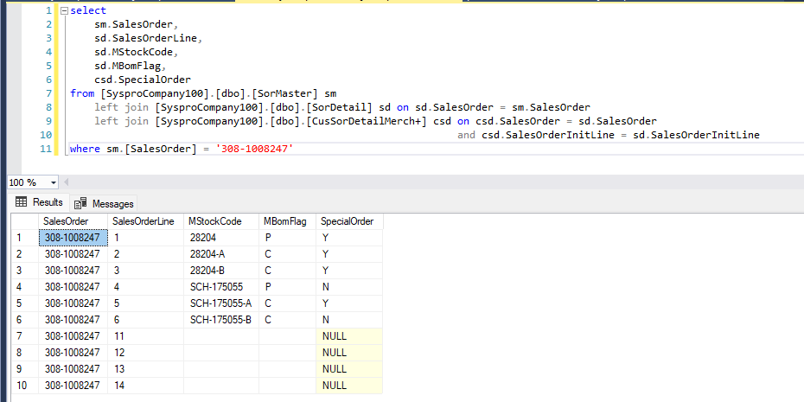
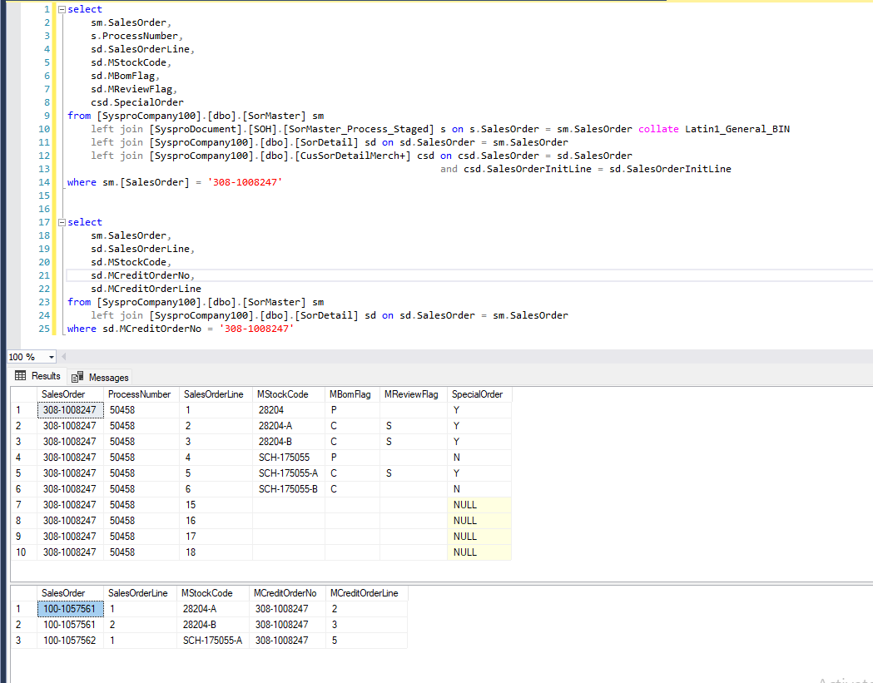
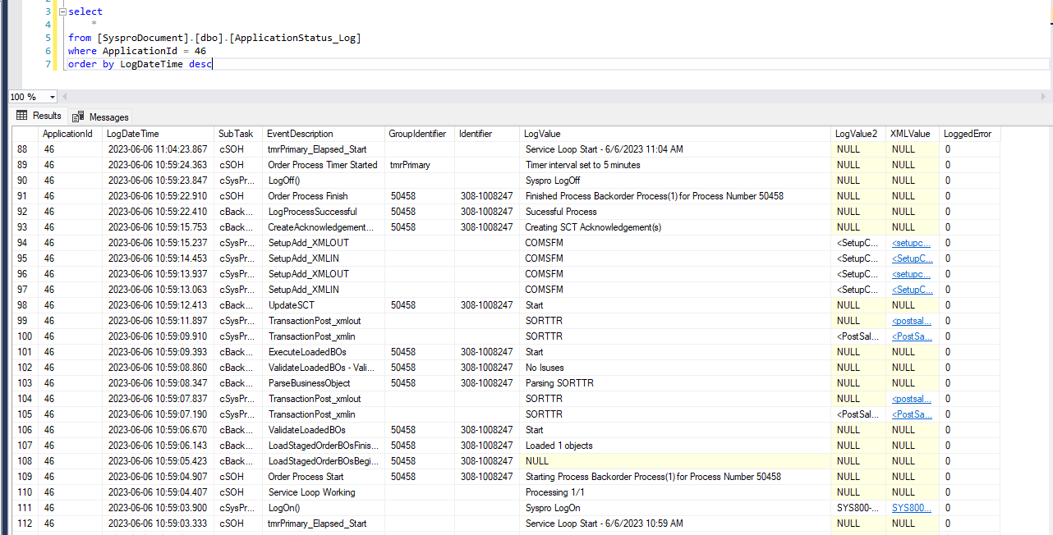
Justin Pope Dev Test
Test Case No. | 1
Process | unit testing
Test Consideration | 1) ssms 2) syspro access
Test Condition |  | Data Used | How To Verify | Actual Results
Tasks
1 | Unit testing | dev | query database and order entry module in Syspro | screen shots below
Configuration/Data Setup for Testing Scenario
Verification
Test Cast Screens Shots Before and After

